Big Magnet
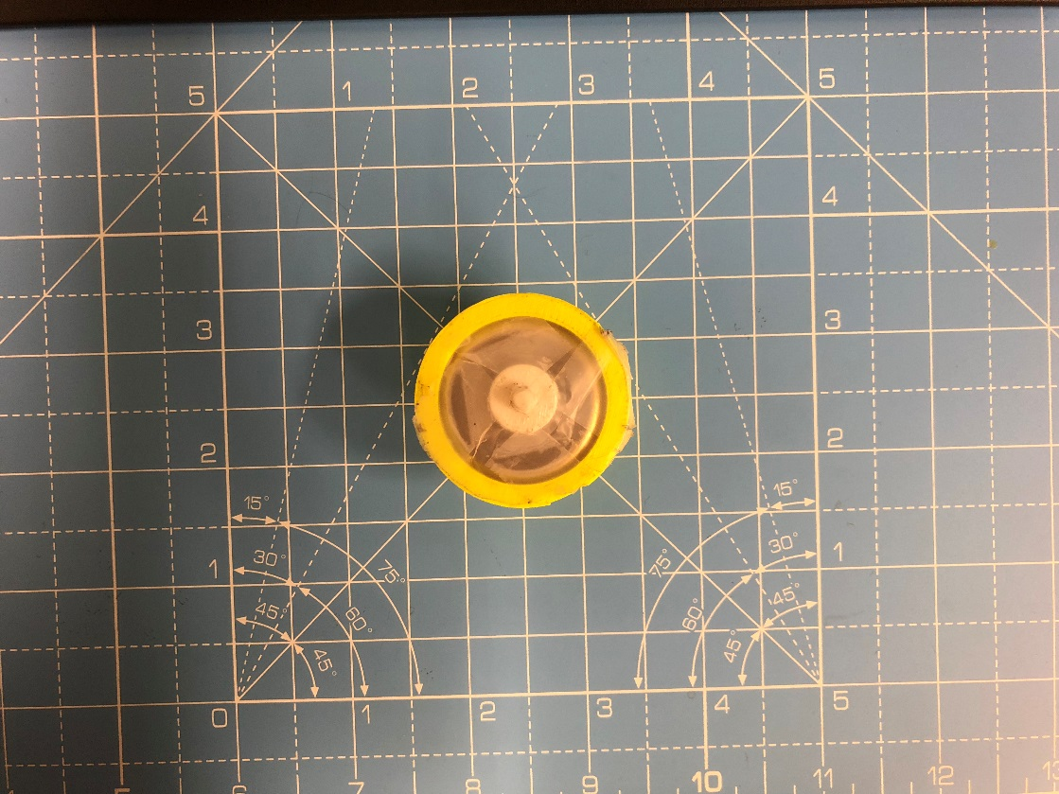
BIG MAGNET
H^2 | x | K | Hy^2 | y | K
6.86 | 0.075 | 1.2209326172E-06 | 6.8121 | 0.075 | 1.2124074463E-06
2.87 | 0.085 | 1.0824191098E-06 | 2.8561 | 0.085 | 1.0771767316E-06
1.31 | 0.095 | 9.6297037672E-07 | 1.2769 | 0.095 | 9.3863883514E-07

Taking Entire Norm |  | 1.0887740346E-06 | Setting Hx=Hz=0 |  | 1.0760743377E-06

Small Magnet
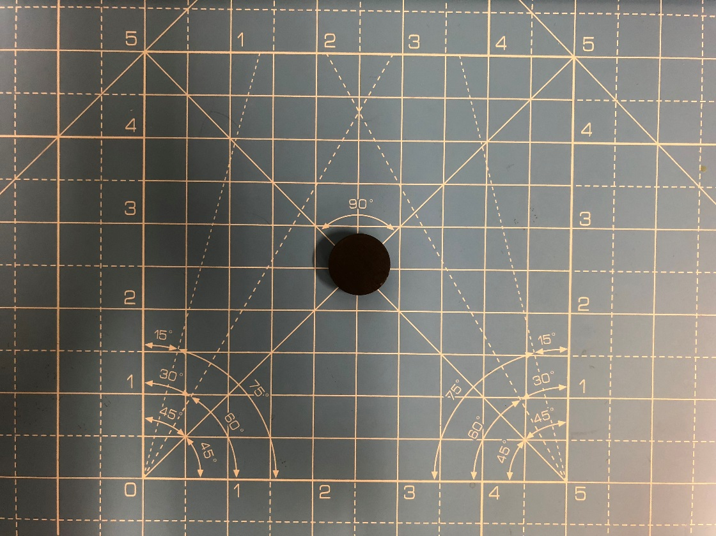
SMALL MAGNET
H_x | H_y | H_z | x | y | z
0.19 | 0 | 0.83 | 0 | 0.075 | 0

K-Value |  |  |  |  | 1.2903442383E-07

Spherical Magnet
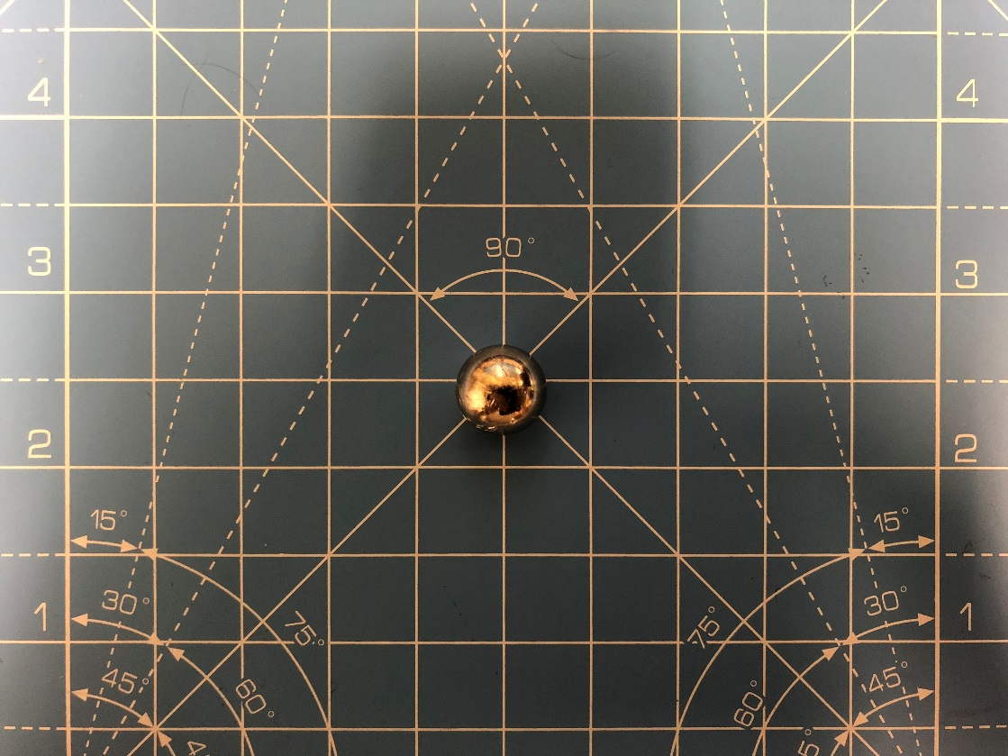
SPEHRICAL MAGNET
H^2 | x | K | Hy^2 | y | K
0.995 | 0.075 | 1.7708862305E-07 | 0.996004 | 0.075 | 1.7726731348E-07
0.64 | 0.085 | 2.4137569E-07 | 0.633616 | 0.085 | 2.3896796749E-07
0.435 | 0.095 | 3.1976497242E-07 | 0.42575625 | 0.095 | 3.1296996676E-07

Taking Entire Norm |  | 2.4607642849E-07 | Setting Hx=Hz=0 |  | 2.4306841591E-07

Small Magnet (with hole)
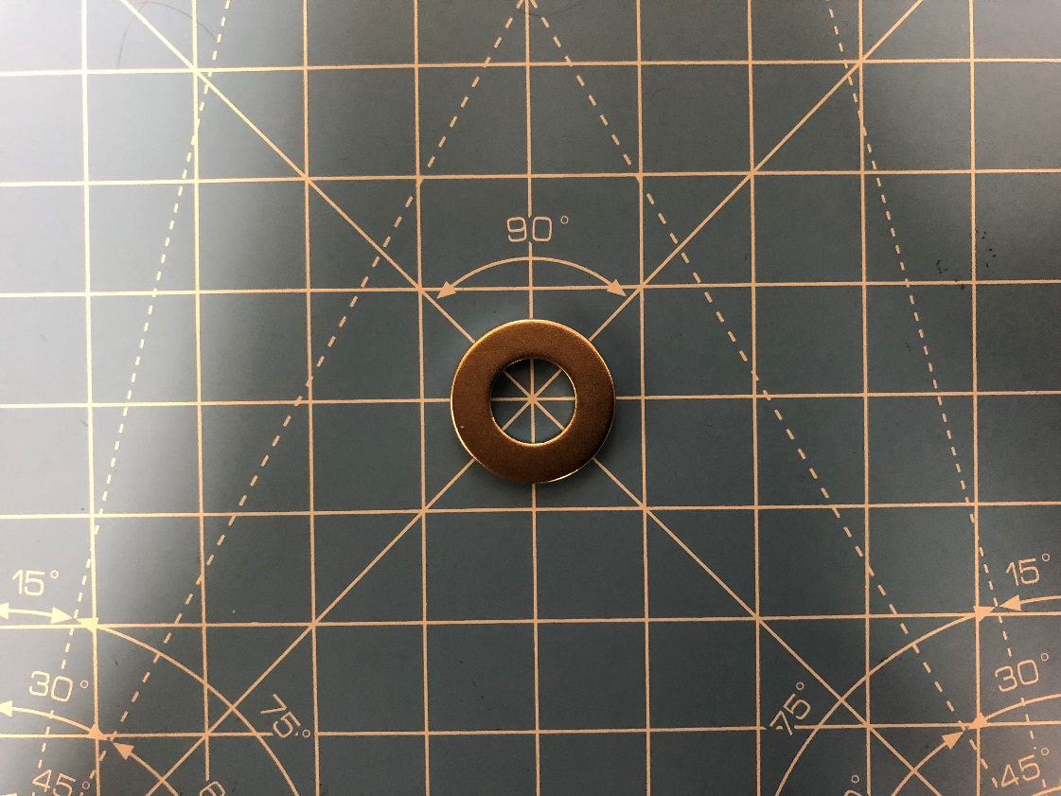
SMALL MAGNET (W\HOLE)
H_x | H_y | H_z | x | y | z
0.07 | 0.07 | 1.02 | 0 | 0.075 | 0

K-Value |  |  |  |  | 1.8691303711E-07

